Sheet1
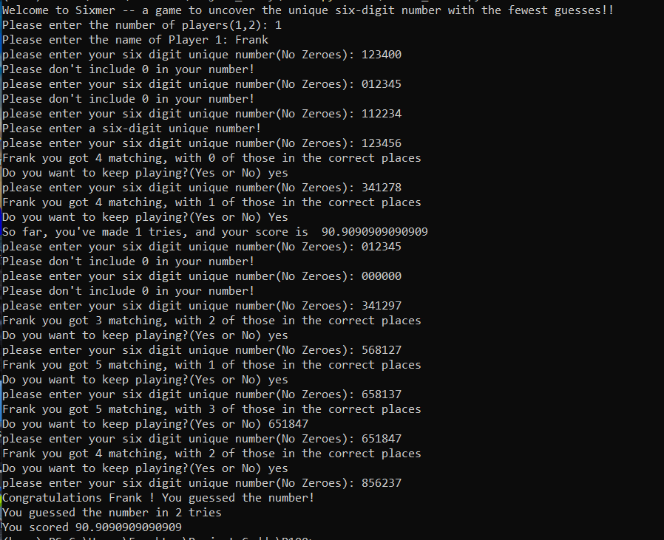
 |  |  |  |  |  | N

STEP | NG | NC | PC
s1 | 123456 | 4 | 0
s2 | 341278 | 4 | 1
s3 | 341297 | 3 | 2 |  |  | (xx568)7 | (3412xx) (2/1)
s4 | 568127 | 5 | 1 |  |  |  | 12(1) 34(1)
s5 | 658137 | 5 | 3 |  |  |  | 4
s6 | 651847 | 4 | 2
s7 | 856237 | 6 | 6

 |  | p1 | p2 | p3 | p4 | p5 | p6
 | 2 | x | x | x | 2 | x | x
 | 3 | x | x | x | x | 3 | x
 | 5 | x |  |  | x | x | x
 | 6 |  | x |  | x | x | x
 | 8 |  |  | x | x | x | x
 | 7 | x | x | x | x | x | 7

